Summary
COMPONENT | Unit | Unit Price | Total
PIC16F887 | 1 | $2.50 | $2.50
40 pin IC socket | 1 | $1.05 | $1.05

32.768kHz crystal | 1 | $0.75 | $0.75
33uF ceramic cap | 2 | $0.05 | $0.10

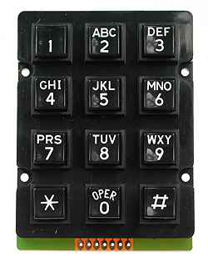
Black 3x4 Keypad | 1 | $2.90 | $2.90
6 pin male polarized header on keypad | 1 | $0.15 | $0.15
6 pin polarized female header for cable | 1 | $0.20 | $0.20
x2 crimp pins for female headers | 2 | $0.60 | $1.20
Flexible cable | 1 | $1.00 | $1.00
6 pin polarized male header on PCB | 1 | $0.15 | $0.15

7805 | 1 | $0.25 | $0.25
0.22uF cap | 1 | $0.05 | $0.05
0.1uF cap | 1 | $0.05 | $0.05

9V battery connector | 1 | $0.10 | $0.10

Multi-color Red-Green-Yellow 5mm Round LED | 6 | $0.25 | $1.50
2N2222 Transistors | 5 | $0.29 | $1.45
47 ohm Resistors (x6) | 1 | $0.10 | $0.10
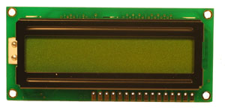
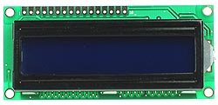
16 x 2 Character LCD Display with Backlight (Green) | 1 | $7.90 | $7.90

Standard Key switch | 1 | $5.40 | $5.40
2 pin polarized female header for cable | 1 | $0.15 | $0.15
flexible cable | 1 | $1.00 | $1.00
2 pin polarized male header for PCB | 1 | $0.07 | $0.07
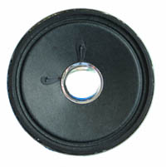
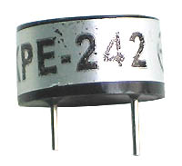
SPST on-off minature toggle switch | 1 | $0.60 | $0.60

Large DZ Buzzer LGBUZZER4 | 1 | $2.50 | $2.50

Resistors for the key switch, keypad & LCD | 1 | $0.10 | $0.10

Copper clad board | 1 | $4.00 | $4.00

Component TOTAL |  |  | $35.22
Shipping |  |  | $7.00

PCB etching materials and solder |  |  | $12.00

Customs |  |  | $10.00

TOTAL |  |  | $64.22
TOTAL |  |  | € 45.60

